Bug Report1
Bug ID: | ID17
Bug name: | While tacking down Movie from Watchlist and clicking step back on phone, Movie is still visible in a Watchlist
Description: | Movie is taken of from Watchlist, but clicking on step back button on the phone, movie is still visible in Watchlist, only when we go to Home page and check Watchlist again the movie is not displayed anymore.
Steps to reproduce: | Your Watchlist contains Movies no1 and no2
 | Click on phone screen yellow IMDb icon
 | Scroll to the third section, What to watch, and click on "SEE ALL" button on the right
 | Click on Movie no1
 | click on " added to Watchlist" button
 | click on back arrow button on bottom of your phone
Expected result: | Your Watchlist page is oppened, and Movie no2 is visible, but Movie no1 is not visible anymore
Actual result: | Your Watchlist page is oppened, and Movies no1 is still visible as Movie no2
Environment: | HUAWEI P30 lite, EMUI 10.0.0.325
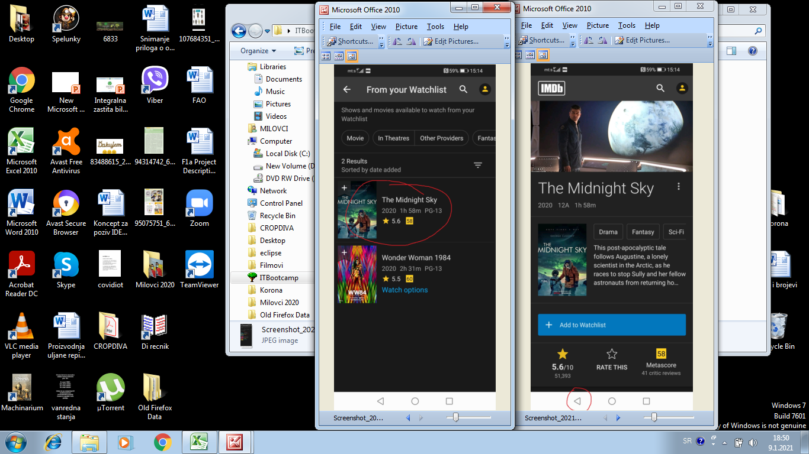
Screenshot:

Assing to: | developer no1
Repro rate: | 100%
Priority : | low
Severity: | low

